Sheet1
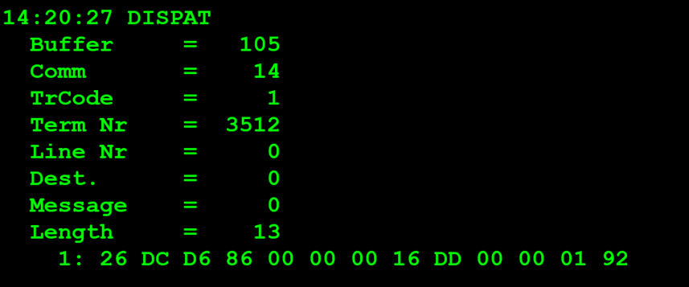
TestByte |  | Size | Field Contents |  | Hexa | Bin | Dec
Start | End
1 | 1 | 1 | Control | Sequence | 26 | Control=0010 Sequence=0110 | 2 6 | Control -> x10 - Application Message Sequence -> 6
2 | 2 | 1 | Type = 13 | Subtype = 12 | DC | Type=1101 Subtype=1100 | Type=13 Subtype=12 | Type = 13 Subtype = 12
3 | 4 | 2 | Checksum |  | D6 86
5 | 5 | 1 | Statistics[1] |  | 00 |  | 0
6 | 7 | 2 | Option Flags |  | 00 00 |  | 0
8 | 8+n-1 | n | Option Data[2] |  | N | N | N
8+n | 9+n | 2 | First 4 digits of order[3] |  | 16 DD |  | 5853
10+n | 13+n | 4 | Last 9 digits of order |  | 00 00 01 92 |  | 402

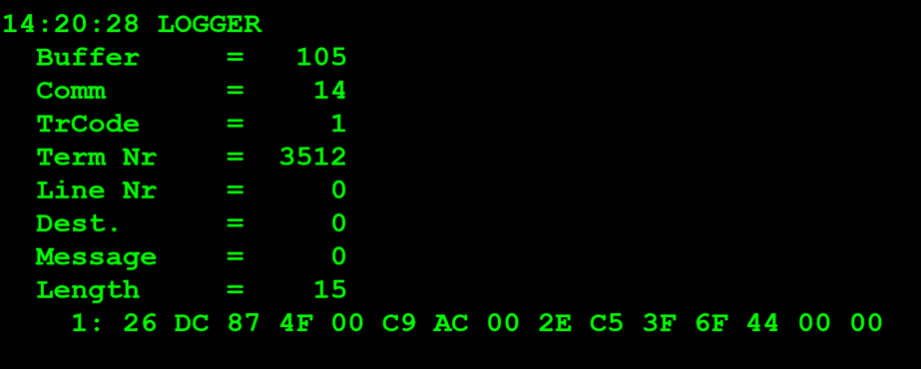
TestByte |  | Size | Field Contents
Start | End
1 | 1 | 1 | Control | Sequence | 26 | Control=0010 Sequence=0000 | 2 6 | Control -> x10 - Application Message Sequence -> 6
2 | 2 | 1 | Type = 13 | Subtype = 12 | DC | Type=1101 Subtype=1100 | Type=13 Subtype=12 | Type = 13 Subtype = 12
3 | 4 | 2 | Checksum |  | 87 4F
5 | 7 | 3 | Time Stamp (seconds since midnight) |  | 00 C9 AC |  | 51628 | 14:20:28.
8 | 9 | 2 | Julian Date (3 digits, unsigned) |  | 00 2E |  | 46 | 31+15=46
10 | 12 | 3 | External Serial Number (8 digits, unsigned) |  | C5 3F 6F |  | 1292 6831 | 1292 6831
13 | 13 | 1 | Check Digits (3 digits, unsigned) |  | 44 |  | 68 | 068
14 | 14 | 1 | Result Code 1 (see below) |  | 00 |  | 00 | 00
15 | 15 | 1 | Result Code 2 |  | 00 |  | 00 | 00
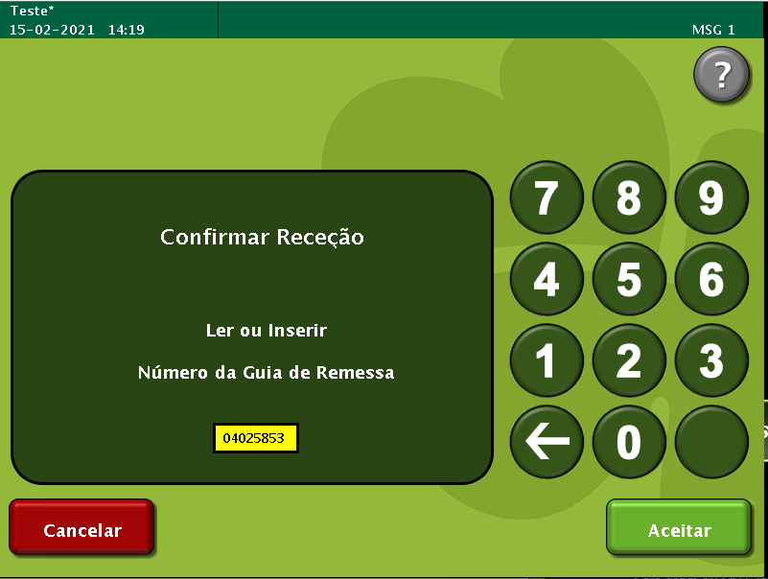
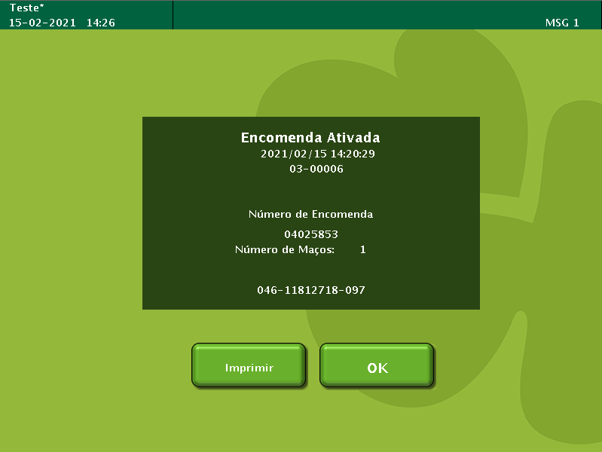

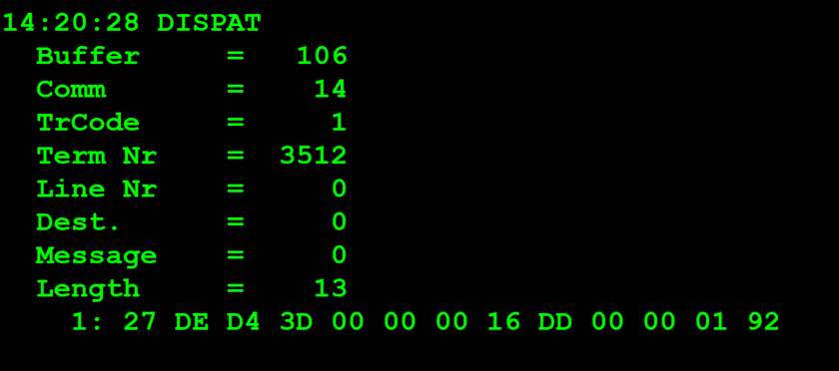
TestByte |  | Size | Field Contents
Start | End
1 | 1 | 1 | Control | Sequence | 27 | Control=0010 Sequence=0111 | 2 7 | Control -> x10 - Application Message Sequence -> 7
2 | 2 | 1 | Type = 13 | Subtype = 14 | DE | Type=1101 Subtype=1110 | Type=13 Subtype=14 | Type = 13 Subtype = 14
3 | 4 | 2 | Checksum |  | D4 3D
5 | 5 | 1 | Statistics[1] |  | 00
6 | 7 | 2 | Option Flags |  | 00 00
8 | 8+n-1 | n | Option Data[2] |  | N | N | N | N
8+n | 9+n | 2 | First 4 digits of order[3] |  | 16 DD |  | 5853 | 5853
10+n | 13+n | 4 | Last 9 digits of order |  | 00 00 01 92 |  | 402 | 402

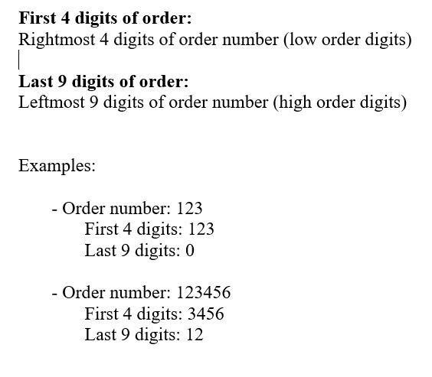

TestByte |  | Size | Field Contents
Start | End
1 | 1 | 1 | Control | Sequence | 27 | Control=0010 Sequence=0111 | 2 7 | Control -> x10 - Application Message Sequence -> 7
2 | 2 | 1 | Type = 13 | Subtype = 14 | DE | Type=1101 Subtype=1110 | Type=13 Subtype=14 | Type = 13 Subtype = 14
3 | 4 | 2 | Checksum |  | 27 A7
5 | 7 | 3 | Time Stamp (seconds since midnight) |  | 00 C9 AD |  | 51629 | 14:20:29.
8 | 9 | 2 | Julian Date (3 digits, unsigned) |  | 00 2E |  | 46 | 31+15=46
10 | 12 | 3 | External Serial Number (8 digits, unsigned) |  | B4 3F 6E |  | 11 812 718 | 11 812 718
13 | 13 | 1 | Check Digits (3 digits, unsigned) |  | 61 |  | 97 | 097
14 | 14 | 1 | Result Code 1 (see below) |  | 00 |  |  | 00 = No error
15 | 15 | 1 | Result Code 2 |  | 00 |  |  | Not used (No error)
16 | 17 | 2 | Pack Count |  | 00 01 |  |  | 1 maço activado

